Sheet1
Subject: |  |  | Omega |  |  |  |  |  |  | Date: |  |  |  | 2021.03.20
 |  | M |  |  |  |  |  |  |  |  |  |  |  |  | L

 |  | 1 | 2 | 3 | 4 | 5 | 6 | 7 | 8 | 9 | 10 | 11 | 12 | 13 | 14 | 15 |  |  | BlackRock | 1 | 2 | 3 | 4 | 5 | 6 | 7 | 8 | 9 | 10 | 11 | 12 | 13 | 14 | 15
A | 1 | 0 | 0 | 28 | 29 | 28 | 29 | 31.5 | 34 | 31 1/4 | 30 | 26 |  |  |  |  | 1 |  | 1 | 160 | 152 | 144 | 135 | 126 | 116 | 106 | 95 | 84 | 72 | 60 |  |  |  |  | 1
 | 2 | 0 | 0 | 58 | 104 | 78 | 80.25 | 63 | 64.75 | 65 | 44 | 41 | 27 |  |  |  | 2 |  | 2 | 159 | 151 | 143 | 134 | 125 | 115 | 105 | 94 | 83 | 71 | 59 | 47 |  |  |  | 2
 | 3 | 0 | 0 | 60.75 | 59.5 | 55 | 65.75 | 61 | 54 | 66.5 | 67.5 | 72.5 | 43 | 23 2/4 |  |  | 3 |  | 3 | 158 | 150 | 142 | 133 | 124 | 114 | 104 | 93 | 82 | 70 | 58 | 46 | 35 |  |  | 3
 | 4 | 0 | 0 | 59 | 73 | 65 | 71 | 70.5 | 66 | 87 | 67 | 69 | 73.5 | 66 | 29 1/4 |  | 4 |  | 4 | 157 | 149 | 141 | 132 | 123 | 113 | 103 | 92 | 81 | 69 | 57 | 45 | 34 | 23 |  | 4
 | 5 | 0 | 0 | 64 | 67 | 69 | 93 | 74 | 72 | 71 | 69 | 60.75 | 77.5 | 65.5 | 32 1/4 | 30.5 | 5 |  | 5 | 156 | 148 | 140 | 131 | 122 | 112 | 102 | 91 | 80 | 68 | 56 | 44 | 33 | 22 | 12 | 5
 | 6 | 0 | 0 | 58.25 | 70 | 69.5 | 68 | 76 | 76 | 75.5 | 67 | 69 | 75 | 82.25 | 49 | 30 | 6 |  | 6 | 155 | 147 | 139 | 130 | 121 | 111 | 101 | 90 | 79 | 67 | 55 | 43 | 32 | 21 | 11 | 6
 | 7 | 0 | 0 | 62 | 63.5 | 65 | 79.5 | 82 | 77.75 | 74 | 70 | 59.5 | 68 | 78 | 44 | 31 | 7 |  | 7 | 154 | 146 | 138 | 129 | 120 | 110 | 100 | 89 | 78 | 66 | 54 | 42 | 31 | 20 | 10 | 7
 | 8 | 0 | 0 | 65 | 67.75 | 63 | 70 | 78.75 | 113 | 72 | 76 | 68.5 | 70 | 84.5 | 40 | 61.75 | 8 |  | 8 | 153 | 145 | 137 | 128 | 119 | 109 | 99 | 88 | 77 | 65 | 53 | 41 | 30 | 19 | 9 | 8
 | 9 |  |  | 61.5 | 72 | 38 | 70 | 74.75 | 77.25 | 64 | 92.75 | 75 | 110 | 104.5 | 55 | 74.25 | 9 |  | 9 |  |  | 136 | 127 | 118 | 108 | 98 | 87 | 76 | 64 | 52 | 40 | 29 | 18 | 8 | 9
 | 10 |  |  |  |  | 51.25 | 56 | 83.75 | 77 | 76 | 135 | 75 | 70 | 81 | 68 | 63.5 | 10 | ` | 10 |  |  |  |  | 117 | 107 | 97 | 86 | 75 | 63 | 51 | 39 | 28 | 17 | 7 | 10 | hard channel
 | 11 |  |  |  |  |  |  | 59 | 89.25 | 74 | 74.5 | 102 | 111 | 76 | 61 | 71.75 | 11 |  | 11 |  |  |  |  |  |  | 96 | 85 | 74 | 62 | 50 | 38 | 27 | 16 | 6 | 11 | easy channel
 | 12 |  |  |  |  |  |  |  |  | 64 | 99.25 | 84.75 | 70 | 76.5 | 61 | 70.25 | 12 |  | 12 |  |  |  |  |  |  |  |  | 73 | 61 | 49 | 37 | 26 | 15 | 5 | 12 | broken
P | 13 |  |  |  |  |  |  |  |  |  |  | 72 | 73 | 77 | 61 | 61 | 13 |  | 13 |  |  |  |  |  |  |  |  |  |  | 48 | 36 | 25 | 14 | 4 | 13 | have some problems, pass for some days
 | 14 |  |  |  |  |  |  |  |  |  |  |  |  | 54.5 | 61.75±2 |  | 14 |  | 14 |  |  |  |  |  |  |  |  |  |  |  |  | 24 | 13 |  | 14
 |  | A | B | C | D | E | F | G | H | I | J | K | L | M | N | O |  |  |  | A | B | C | D | E | F | G | H | I | J | K | L | M | N | O
unit: turns |  |  | (125μm/turn) |  |  |  |  | recorder: |  | Jianshu Li
recording system: |  |  | BlackRock |  |  |  |  | SU chs: |  |  | 6,31,34,64,70,97,110,115,129,133,137,139,140,142(mingled with large noise)
 |  |  |  |  |  |  |  | MU chs: |  |  | 33,44,45,49,61,63,85,88,100,114,117,127
 |  |  |  |  |  |  |  | weak MU chs:
 |  |  |  |  |  |  |  | s: small |  |  | l: large
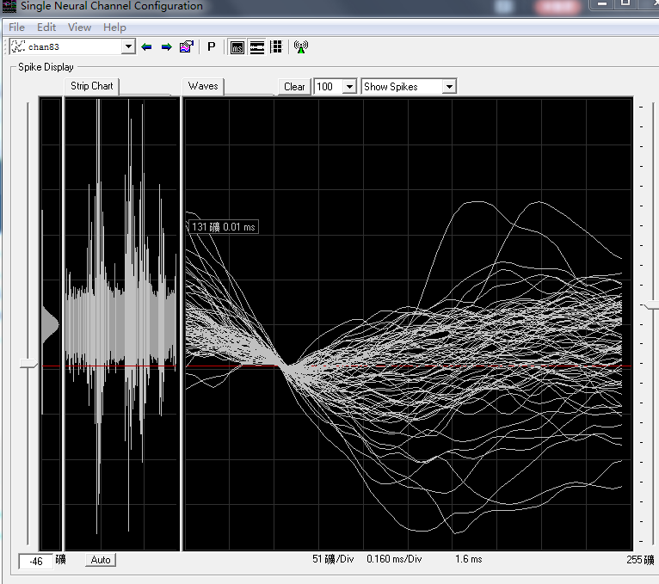
C9 weak MU 61+0.5=61.5turns
D8 65+2.75=67.75turns, SU, 7-1 become large noise same as chan125
H11 89+0.25=89.25turns, weak SU
I4 82+4.75=86.75turns, SU then disappear, 86.75+0.25=87turns, still no signal
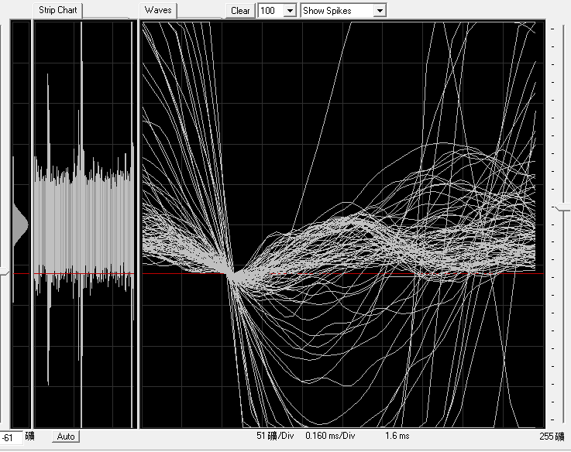
J3 67.5+2.75=70.25turns, SU
I2 large noise(see right hand)
G2 large noise(see left hand)
chan 83,105,128,139,142 ocassionally has same kind of noise at same time.

recorded right eye
First port without extended line
record data after penetration

